Plant6mA datasets
Plant6mA datasets
Source paper | Meta-i6mA: an interspecies predictor for identifying DNA N6-methyladenine sites of plant genomes by exploiting informative features in an integrative machine-learning framework
Download link | http://kurata14.bio.kyutech.ac.jp/Meta-i6mA/help.php
Organism | Rosaceae
Level | DNA
Length | 41 bp
Positive data | 36537
Negative data | 36537
DL paper used this data | P23 | Plant6mA | 2022-01-26 | P23
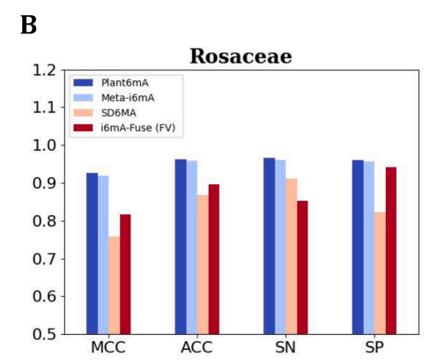

Organism | Arabidopsis thaliana
Level | DNA
Length | 41 bp
Positive data | 31873
Negative data | 31873
DL paper used this data | P23 | Plant6mA | 2022-01-26 | P23 | just for testing

